Cover
Question Set for Level 1 (Foundational) Data Education Course for W911S024P0023



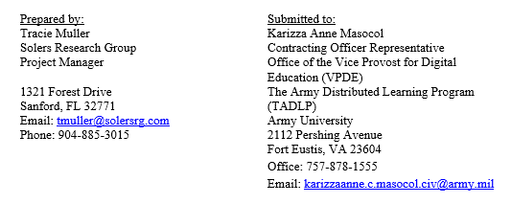

DISTRIBUTION D. Distribution authorized to DoD and U.S. DoD contractors only. Other requests for this document shall be referred to the Program Executive Office for Simulation, Training and Instrumentation (PEO STRI), 12211 Science Dr., Orlando, FL 32826-3276.

 | Submitted: 19 March 2025

